Intellectual_outputs_timesheet
Intellectual Output: Time sheet

Name of the Person |  |  | Mad Worker
Organisation |  |  | Ylä-Savon musiikkiopisto |  |  |  | organisation
Category of staff |  |  | 3. Technician |  |  |  | choose the right category of staff on the menu (arrow)
Country |  |  | Finland |  |  |  | country
Unit cost of staff category per day (See the sheet "Unit costs of staff categories") |  |  | 214 € |  |  |  | Finland, Italy, Belgium 214 €, Spain 137 €, Latvia 74 € | P
Lenght of the standard working day defined under work contract or national legislation (hh:mm) |  |  | 7:45:00 |  |  |  | In Finland teachers 6 h/day
Name of the project |  |  | A.L.C.H.E.M.I.A.
Project number: |  |  | 2020-1-FI01-KA227-SCH-092716
Reporting period: start date - end date |  |  | 20.9.2022 - 21.9.2022 |  |  |  | Working period
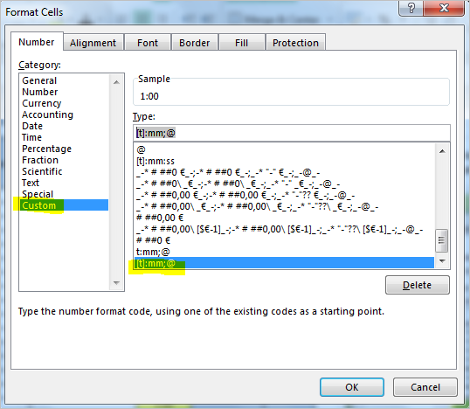
 | Number of the intellectual output | Description of the tasks/activities | Date of activities (dd.mm.yyyy) | Time spent/hours (hh:mm) | Number of working days for the project (full-time equivalent3) | Total in Euros |  | Please type spent hours in format hh:mm by using a colon (:) not a dot (.). If the table still calculates the hours incorrectly, please check also cell format type (cells marked in yellow) is [t]:mm;@
1 | O5 | video editing | 2022-09-20 | 7:45:00 |  |  | Choose the suitable number of IO:
2 | O5 | video editing | 2022-09-21 | 7:45:00 |  |  | IO 1, creating the study packs of each participating country
3 |  |  |  |  |  |  | IO2, the translation process to modify the learning outcome of the transnational meetings into the local use
4 |  |  |  |  |  |  | IO3, working with the Latvian study pack, workshops to disseminate the good practices learnt from Latvians in Italy, Finland, Spain and Belgium
5 |  |  |  |  |  |  | IO4, working with the Belgian study pack, workshops to disseminate the good practices learnt from Belgians in Italy, Finland, Spain and Latvia
6 |  |  |  |  |  |  | IO5, working with the Spain, Italian and Finnish study packs, workshops to disseminate the good practices learnt from Spanish, Italians and Finns in other countries
7
8 |  |  |  |  |  |  | Note that participating in mobilities is not in itself a reason to pay or report IO
9
10
11
12
13
14
15
16
17
18
19
20
21
22
23
24
 |  |  | Total | 15:30:00 | 2.00 | 428.00 € | Please note that this sum doesn't have to be exactly the money that is paid, beacause the working contracts vary from person to person and according to individual agreements and salaries. That's why the actual pay check sums won't be checked.

 | I, the undersigned, declare that the above information is correct.

 | Date: | 2022-09-22 | Mad Worker
 | (Signature of employee)

 | I, the undersigned, declare that the above information is correct.

 | Date:
 | (Signature of legal representative OR financial manager)

Unit costs of staff categories
