Aromiprofiiliryhmistä
 |  |  |  |  | HUOM
 |  |  |  |  | Kaupallisia lajikkeita on käytetty vain eräänlaisena mittatikkuna aromiyhdisteryhmittelylle.
 |  |  |  |  | Ryhmittely ei kerro humalan soveltuvuudesta oluen valmistukseen.
24.2.2020 Luonnonvarakeskus / J-M Pihlava
 | juha-matti.pihlava@luke.fi
Humalakäpyjen ryhmittely haihtuvien yhdisteiden profiilin perusteella. GC-MS analyysi.
 |  |  |  |  |  |  |  | suomalaiset
 |  |  |  |  |  |  |  | humalat
 |  | Myrseeni | β-Karyofylleeni | β-Farneseeni | α-Humuleeni | Zingiberene * | β+α-Selineeni | % (n=496) |  | Esimerkkejä kaupallisista humalajikkeista
 | Ryhmä 1a |  |  |  |  |  |  | 20.8 | Cetennial | Cascade | Perle | Helga | Magnum | Rakau | Tettnang | Mosaic
 | 1b |  |  |  |  |  |  | 9.1
 | 1c |  |  |  |  |  |  | 16.3 | Topaz | Eldorado | Summer | Challenger
 |  |  |  |  |  |  |  | 46.2
 | Ryhmä 2a |  |  |  |  |  |  | 10.1 | Hallertauer (NZ) | Fuggle | Saaz |  | lisätty 050419, The hop list -kirjan perusteella
 | 2b |  |  |  |  |  |  | 2.0
 | 2c |  |  |  |  |  |  | 5.2 | Styrian Golding
 |  |  |  |  |  |  |  | 17.3
 | Ryhmä 3a |  |  |  |  |  |  | 7.1 | Amarillo | Sylva | Waimea
 | 3b |  |  |  |  |  |  | 3.2
 | 3c |  |  |  |  |  |  | 16.1 | Galaxy
 |  |  |  |  |  |  |  | 26.4
 | Ryhmä 4a |  |  |  |  |  |  | 5.2 | Stella
 | 4b |  |  |  |  |  |  | 4.8 | Frugården | Björstorp
 |  |  |  | farneseenin värikoodit: |  | * vanhoissa tuloksissa: |  | 10.1
 |  |  |  |  | pitoisuus 5-15 % | α-Muuruloni |  | 100.0
 |  |  |  |  | pitoisuus > 20 %

 | Suomalaisten humalakäpyjen ryhmittely aromiyhdisteprofiilin perusteella on kehitetty Polar Hops -tutkimushankkeessa Lukessa.

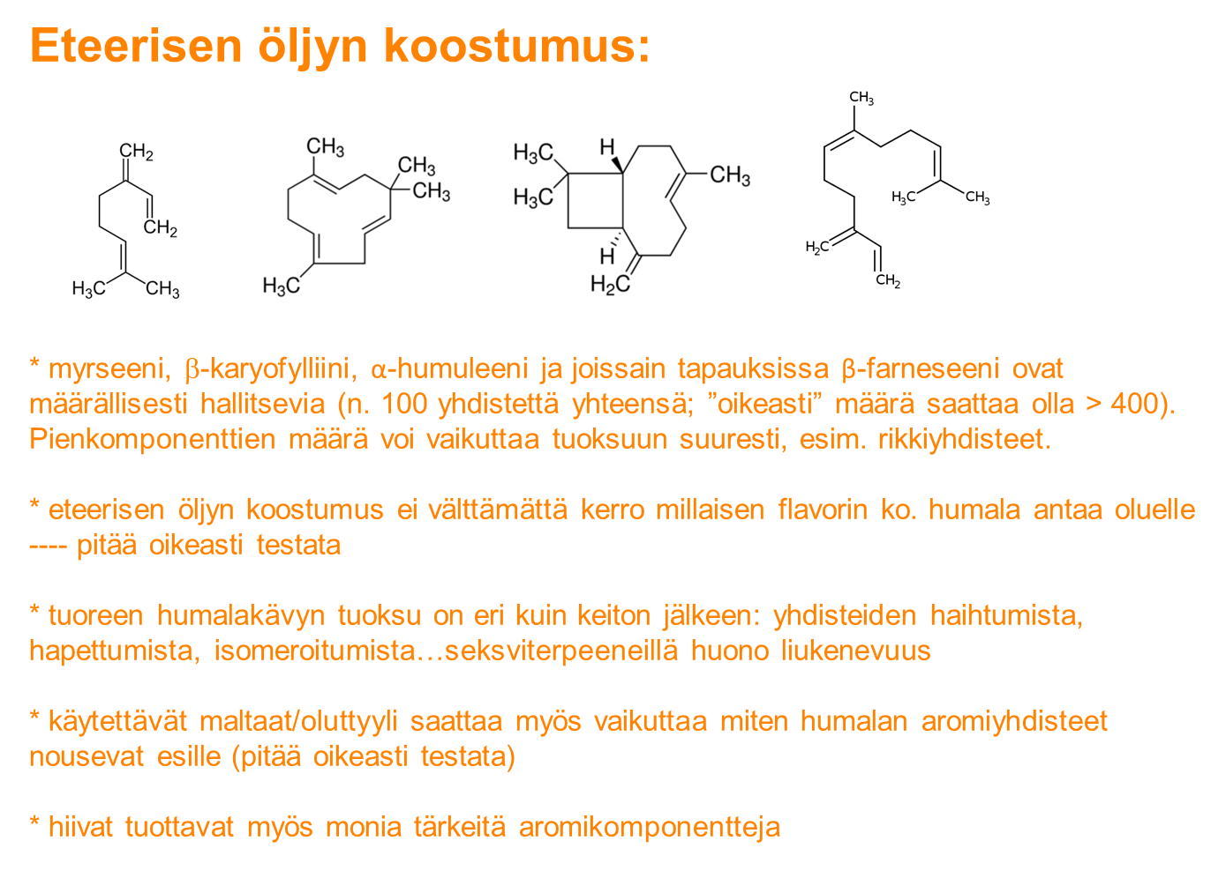
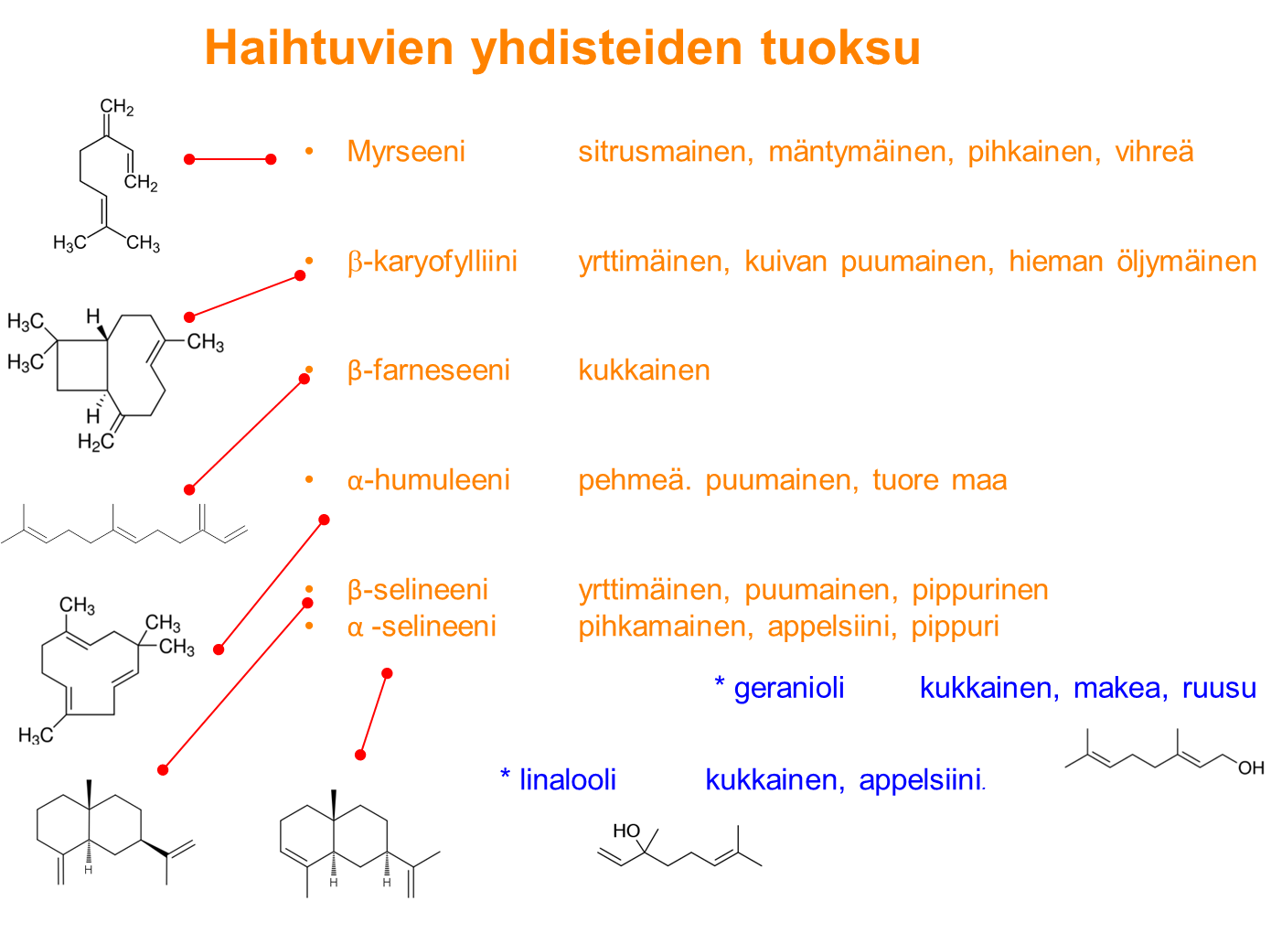
HUOM. menetelmä ei sovellu linaloolin tai geraniolin määrittämiseen.

Katkeroyhdisteistä
HUOM. Näitä tuloksia ei ole esitetty pedanetin koostetaulukossa !
24.2.2020 Luonnonvarakeskus / J-M Pihlava
 | juha-matti.pihlava@luke.fi
Katkeroyhdisteiden pitoisuudet määritetty nestekromatografisesti (HPLC-DAD).

Esimerkki
 |  |  | DM-xanthohumol | xanthohumol |  | Humulonit (α-hapot) |  |  | Lupulonit (β-hapot) | summa | summa | suhde
 |  |  |  |  |  | % |  |  | % | α-hapot | β-hapot
 | LUKE lims nro | LUKE | g/100 g ik** | g/100 g ik** | Kohumuloni | n-Humuloni | Adhumuloni | Kolupuloni | n-Lupuloni+AdL | % | % | α vs β
 | xxxxx | LUKE-xxxx | 0.10 | 0.31 | 0.2 | 0.3 | 0.1 | 1.1 | 0.8 | 0.5 | 1.9 | 0.25
 |  |  |  |  | 34
 |  |  |  |  | Kohumulonin %-osuus a-hapoista
 |  |  | **ik=ilmakuivattu (kosteus n. 10 %)

 | Vertailun vuoksi
 |  | Vuosi 2017 |  |  |  |  |  |  |  | Summa | Summa | suhde
 |  | 2019-03-22 | DM-Xan | Xanthohumol | Kohumuloni | n-Humuloni | Adhumuloni | Kolupuloni | n-Lupuloni+AdL | α-hapot | β-hapot | α vs β
 |  | Keskiarvo | 0.08 | 0.30 | 0.7 | 1.5 | 0.4 | 1.5 | 1.5 | 2.6 | 3.0 | 0.86
 |  | stdev | 0.05 | 0.12 | 0.5 | 1.0 | 0.3 | 0.8 | 0.8 | 1.7 | 1.5 | 0.5
 |  | max | 0.30 | 0.67 | 5.1 | 5.6 | 1.4 | 5.6 | 4.3 | 10.7 | 10.0 | 5.2
 |  | min | 0.00 | 0.00 | 0.0 | 0.0 | 0.0 | 0.1 | 0.1 | 0.0 | 0.2 | 0.0 | tuloksiin otettu mukaan myös huonoja näytteitä
 |  | n = 547 |  |  |  |  |  |  |  |  |  |  | ovat saattaneet pilaantua postituksessa
α-Happojen määrä on tärkeää.
Kaupallisissa aromihumala- lajikkeissa α-hapot ovat tyypillisesti 3,5-6,5 %, katkerohumalissa 8-15 %. Suomalaisissa vähän jalostetuissa humalissa pitoisuudet ovat kohtalaisen maltillisia.
Tulokset ilmakuivassa materiaalissa
(kosteus n. 10 %).
 |  |  | prenyyliflavonoidit eivät
 |  |  | vaikuta makuun

